Model 1
Elasticity of bank activity with respect to bank capital

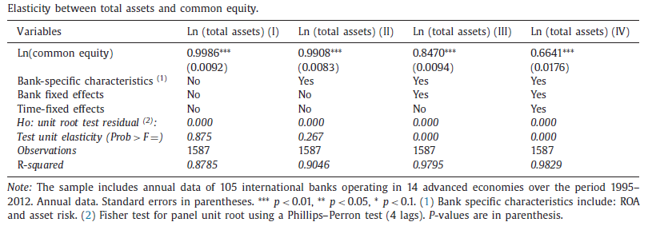
Explanatory variables | Dependent variable: ln( total assets)
 | (I) | (II) | (III) | (IV)
Ln(common equity) | 1.050*** | 1.024*** | 0.868*** | 0.760***
 | (0.018) | (0.015) | (0.009) | (0.024)

Bank specific characteristics ( 2 ) | No | Yes | Yes | Yes
Bank fixed effects | No | No | Yes | Yes
Time fixed effects | No | No | No | Yes
Observations | 709 | 709 | 709 | 709
R- squared | 0.831 | 0.881 | 0.936 | 0.620

Model 2
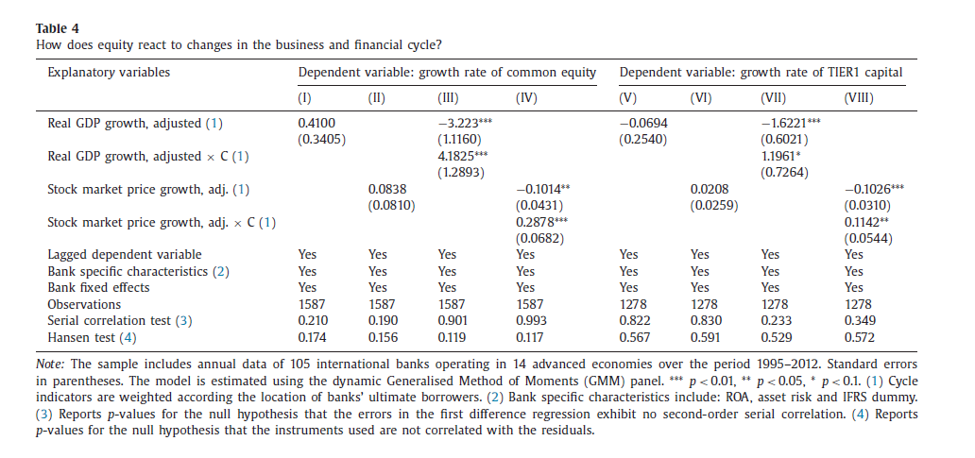
Explanatory variables | Dependent variable: growth rate of common equity |  |  |  | Dependendent variable:growth rate of TIER1
 | (I) | (II) | (III) | (IV) | (V) | (VI) | (VII) | (VIII)
Real GDP growth, adjusted ( 1 ) | -0.782*** |  | 0.344 |  | -1.519*** |  | -0.770**
 | (0.286) |  | (0.325) |  | (0.330) |  | (0.380)
Real GDP growth, adjusted × C ( 1 ) |  |  | -3.199*** |  |  |  | -1.356*
 |  |  | (0.648) |  |  |  | (0.738)
Stock market price growth, adj. ( 1 ) |  | -0.066* |  | -0.013 |  | -0.105** |  | 0.044
 |  | (0.038) |  | (0.047) |  | (0.044) |  | (0.054)
Stock market price growth, adj. × C ( 1 ) |  |  |  | -0.058 |  |  |  | -0.312***
 |  |  |  | (0.079) |  |  |  | (0.090)
Lagged dependent variable | Yes | Yes | Yes | Yes | Yes | Yes | Yes | Yes
Bank specific characteristics ( 2 ) | Yes | Yes | Yes | Yes | Yes | Yes | Yes | Yes
Bank fixed effects | Yes | Yes | Yes | Yes | Yes | Yes | Yes | Yes
R- squared | 0.349 | 0.344 | 0.392 | 0.369 | 0.231 | 0.213 | 0.261 | 0.262
Observations | 683 | 683 | 683 | 683 | 683 | 683 | 683 | 683
Serial correlation test ( 3 ) | 0.461 | 0.388 | 0.455 | 0.688 | 0.000 | 0.002 | 0.000 | 0.000

Model 3
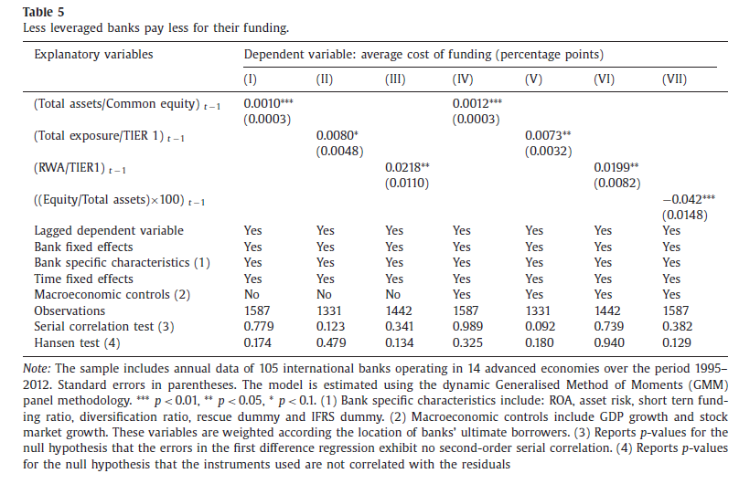
Explanatory variables | Dependent variable: average cost of funding (percentage points)
 | (I) | (II) | (III) | (IV) | (V)
(Total assets/Common equity) t −1 | -0.003 |  | -0.007
 | (0.011) |  | (0.012)
(RWA/TIER1) t −1 |  | 0.078*** |  | 0.074***
 |  | (0.024) |  | (0.025)
((Equity/Total assets) ×100) t −1 |  |  |  |  | 0.072*
 |  |  |  |  | (0.039)
Lagged dependent variable | Yes | Yes | Yes | Yes | Yes
Bank specific characteristics ( 2 ) | Yes | Yes | Yes | Yes | Yes
Bank fixed effects | Yes | Yes | Yes | Yes | Yes
Time fixed effects | Yes | Yes | Yes | Yes | Yes
Macroeconomic controls (2) | No | No | Yes | Yes | Yes
Observations | 681 | 681 | 681 | 681 | 681
Serial correlation test ( 3 ) | 0.938 | 0.965 | 0.967 | 0.991 | 0.948

Model 4
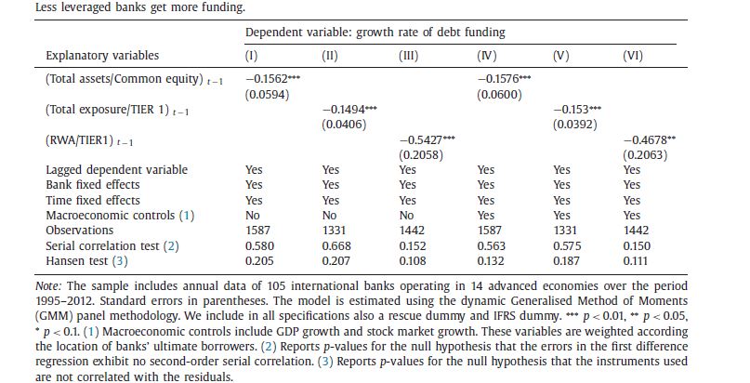
Explanatory variables | Dependent variable: average growth rate of debt funding
 | (I) | (II) | (III) | (IV)
(Total assets/Common equity) t −1 | -0.123 |  | -0.155*
 | (0.085) |  | (0.086)
(RWA/TIER1) t −1 |  | 0.222 |  | 0.211
 |  | (0.177) |  | (0.185)

Lagged dependent variable | Yes | Yes | Yes | Yes
Bank specific characteristics ( 2 ) | Yes | Yes | Yes | Yes
Bank fixed effects | Yes | Yes | Yes | Yes
Time fixed effects | Yes | Yes | Yes | Yes
Macroeconomic controls (2) | No | No | Yes | Yes
Observations | 681 | 681 | 681 | 681
Serial correlation test ( 3 ) | 0.514 | 0.662 | 0.747 | 0.899

Model 6
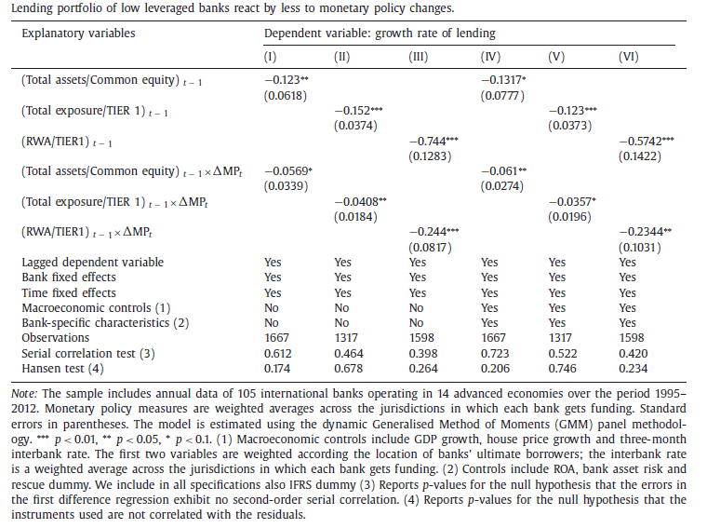
Explanatory variables | Dependent variable: average growth rate of lending
 | (I) | (II) | (III) | (IV)
(Total assets/Common equity) t −1 | 0.473*** |  | 0.169
 | (0.177) |  | (0.146)
(RWA/TIER1) t −1 |  | 1.147*** |  | -0.265
 |  | (0.327) |  | (0.291)
(Total assets/Common equity) t − 1 × ΔMP | -0.002 |  | -0.004***
 | (0.001) |  | (0.001)
(RWA/TIER1) t −1 × ΔMP |  | 0.004 |  | -0.004
 |  | (0.005) |  | (0.004)

Lagged dependent variable | Yes | Yes | Yes | Yes
Bank specific characteristics ( 2 ) | No | No | Yes | Yes
Bank fixed effects | Yes | Yes | Yes | Yes
Time fixed effects | Yes | Yes | Yes | Yes
Macroeconomic controls (2) | No | No | Yes | Yes
Observations | 681 | 681 | 681 | 681
Serial correlation test ( 3 ) | 0.496 | 0.365 | 0.064 | 0.165

